11
11 | Incomplete |  | B03-LA-002
Points
50

 | This question consists of five parts.

 | Part 1. | Describe what is meant by “binary classification”.

 | Part 2. | Describe why is it not preferred to fit a binary response variable with a linear regression.

 | Part 3. | Describe the “odds ratio” and its relationship to logistic regression.

 | Part 4. | The figure below shows the results of a logistic regression model that predicts the odds of survival
 |  | for passengers on the Titanic.

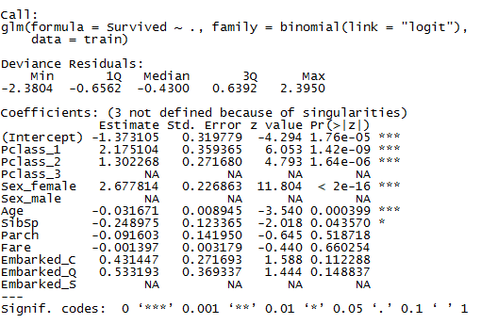

 |  | Survived - 1 = Yes, 0 = No
 |  | Pclass - describes the passenger class. Categorical variable with 3 levels.
 |  | Sex – gender of the passenger.
 |  | Age – age of passenger
 |  | SibSp – number of siblings/spouses aboard
 |  | Parch – number of parents/children aboard
 |  | Fare – passenger fare in British Pounds
 |  | Embarked – Port of Embarkation (C = Cherbourg, Q=Queenstown, S=Southampton)

 |  | Compare the odds of survival for female passengers compared to male passengers.

 | Part 5. | Using the logistic model above, determine the predicted survival probability for a Titanic passenger
 |  | with the following characteristics:

 |  | Variable |  | Value
 |  | PClass |  | 1
 |  | Sex |  | Male (base level)
 |  | Age |  | 35
 |  | SibSp |  | 0
 |  | Parch |  | 0
 |  | Fare |  | 50
 |  | Embarked |  | S

 |  | Answer: This type of problem involves classification into two-classes. Typically with a qualitative response rather than a quantitative response.
 |  | (ISL Chapter 4, p130)

 |  | Answer: It is possible to use linear regression to fit a binary response by coding the response as a dummy variable and predict the classification based on the result of the prediction. For example we could predict the classification coded to 1 if the modeled estimate is greater than 0.5 and the classification coded to 0 otherwise.
 |  | However, the reason that modeling with linear regression is not preferred is because some estimates may fall outside of the [0,1] range of probabilities.
 |  | (ISL Chapter 4, p130)

 |  | Answer: Odds is defined as p / (1-p) where p is the probability of the event. The odds ratio in the ratio of two odds. Logistic regression is the linear modeling of the log odds

 |  | Answer: The odds ratio of survival for female to male is exp(2.677814) = 14.55

 |  | Answer: The value of the linear predictor is equal to -0.3763 = -1.373105 + 2.175104 + 35 *(-0.031671) + 50 * (-0.001397).
 |  |  | Therefore, the probability of survival is 1/(1+exp(-(-0.3763))) = 0.4070

